EVD_DOC01-03
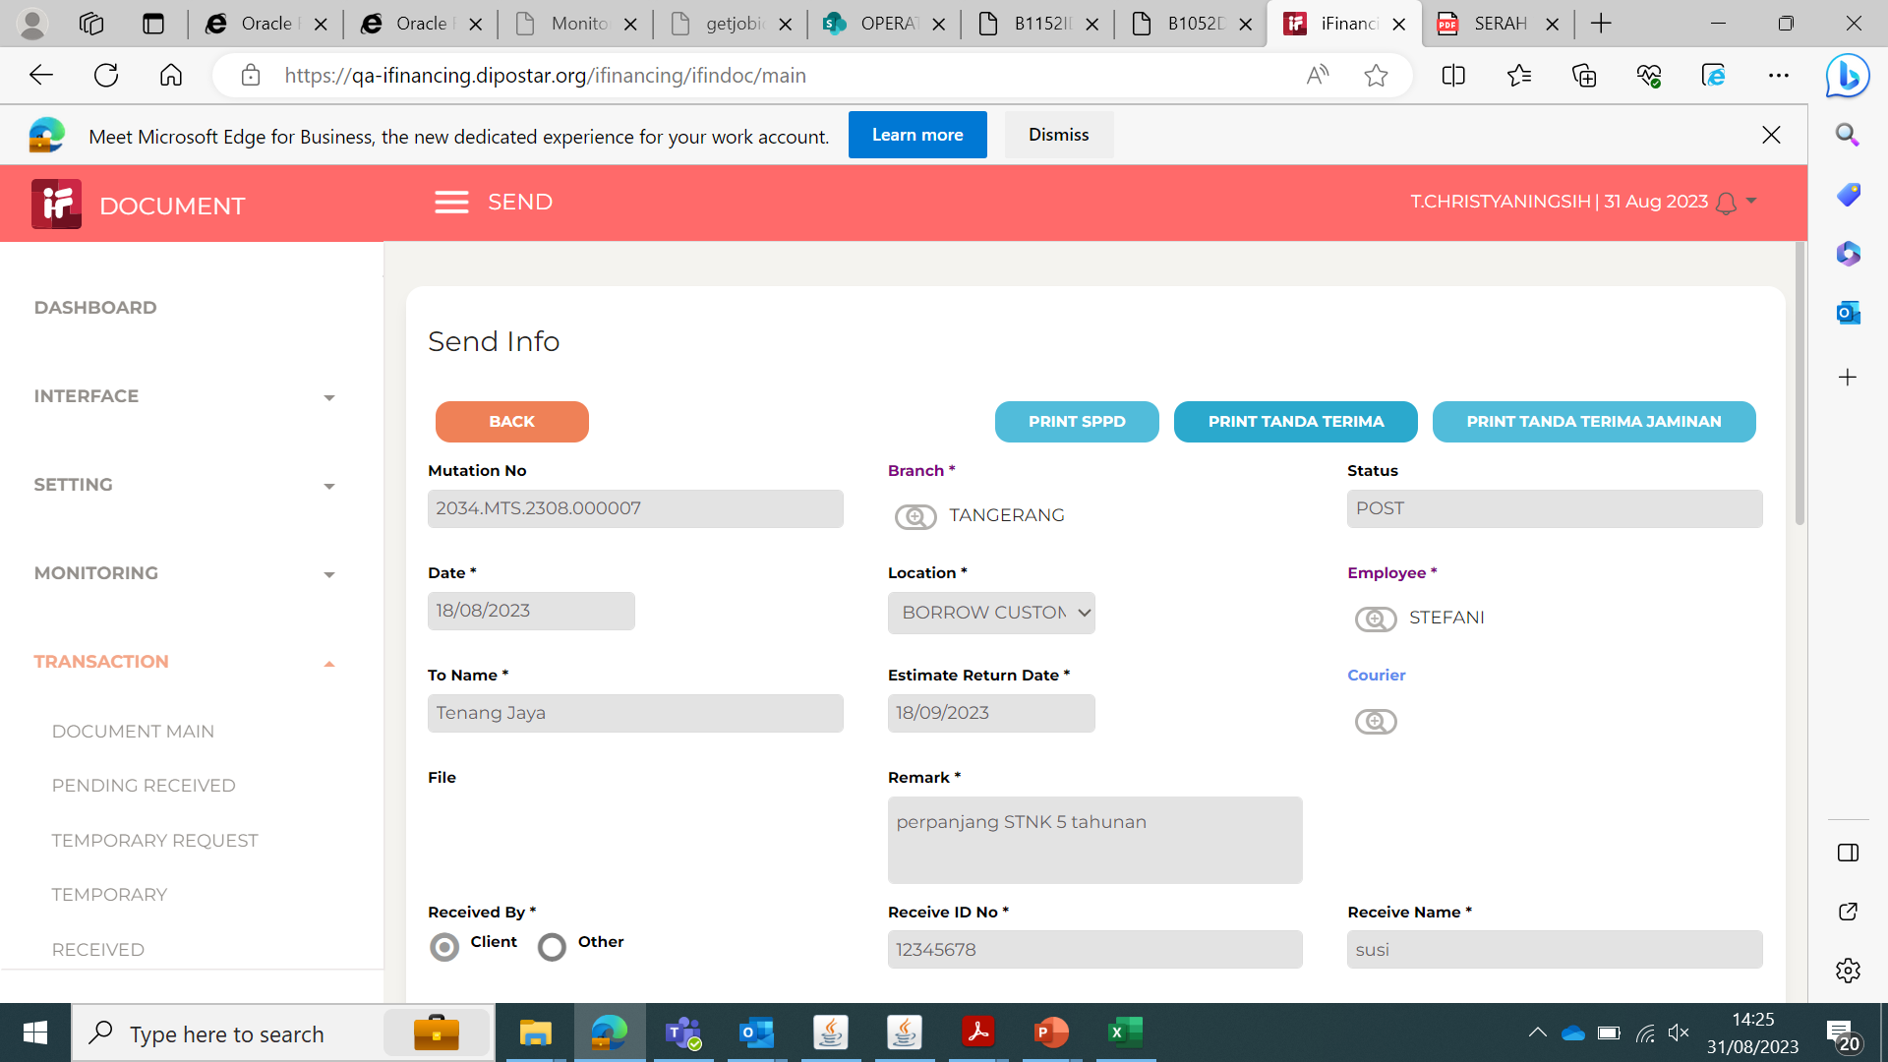
Test Case ID | DOC01-01
Test Case Summary

Step # | Test Evidence | Re-Test Evidence (if found Bug/Issue)
1

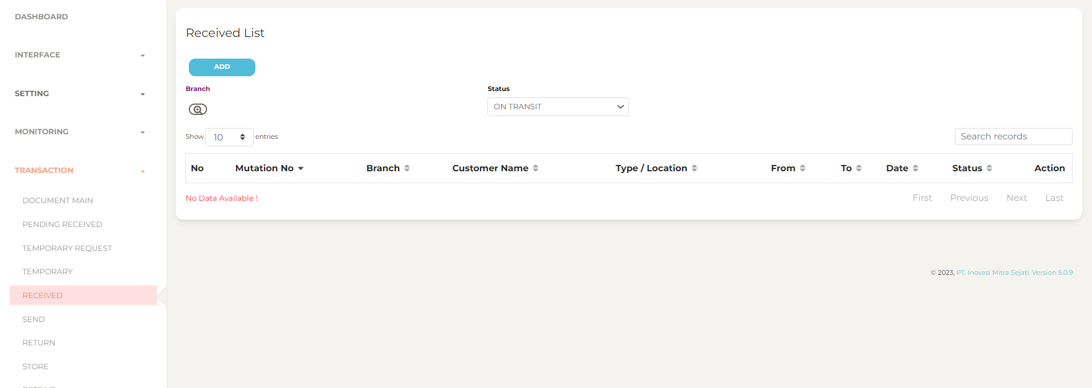

2

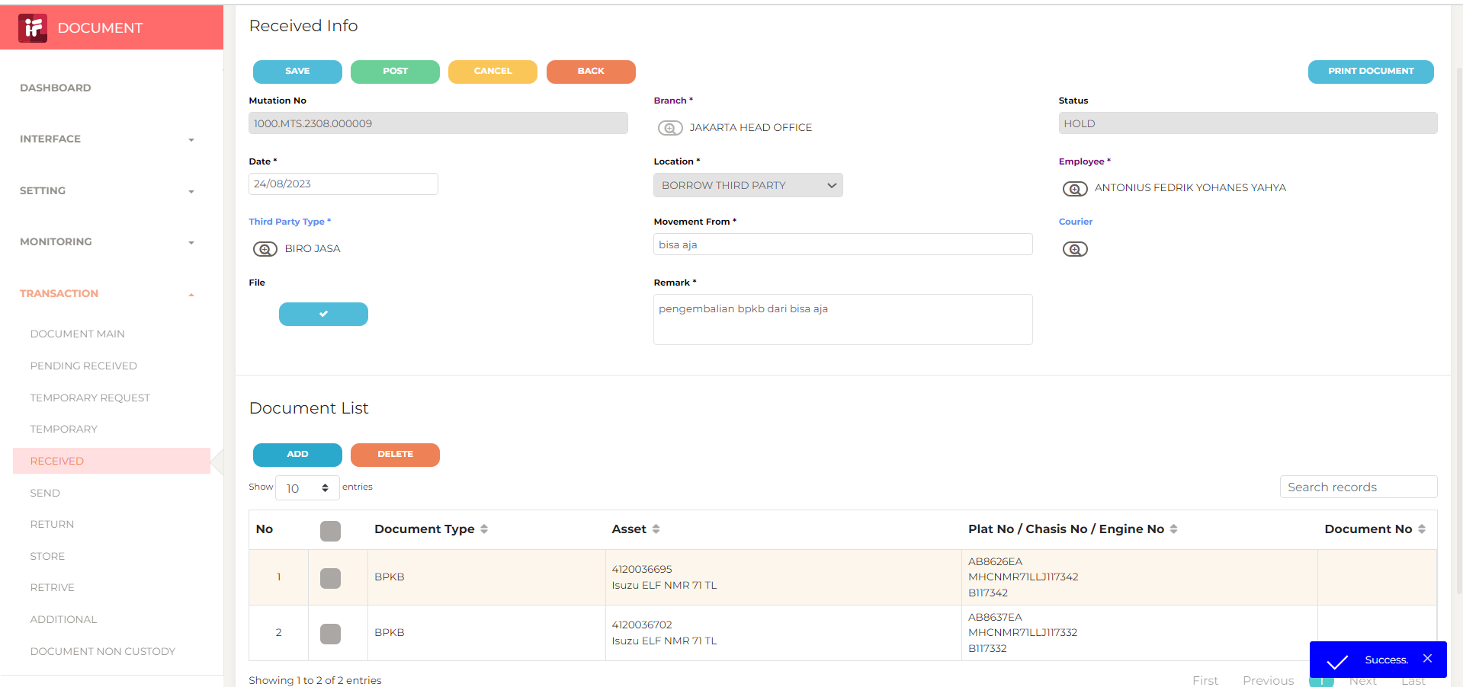

3

4

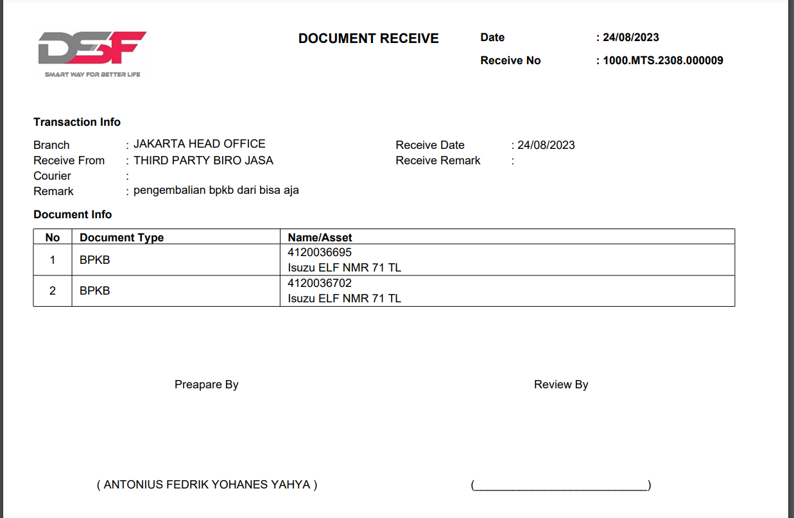

5

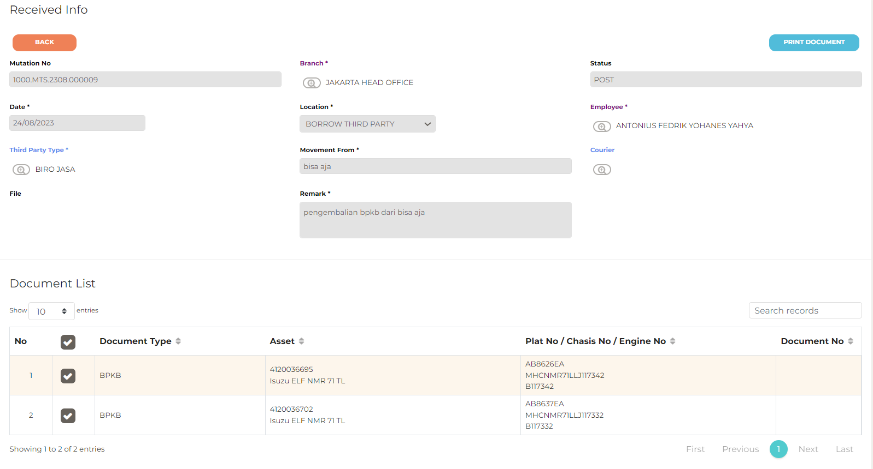

6

7

